ConfusionMatrix
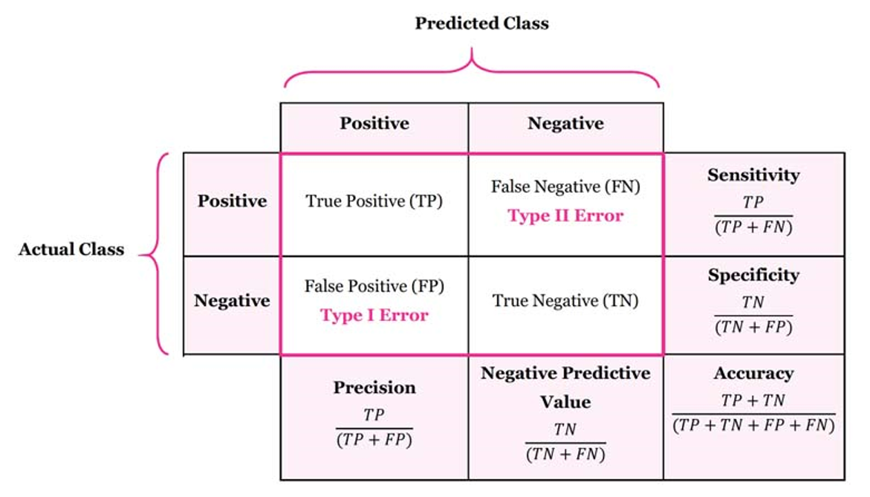
Confusion Matrix
 | Confusion Matrix is a tool to determine the performance of classifier. It contains information about actual and predicted classifications.

 |  |  | Predicted Class
 |  |  | Positive (Y-1) | Negative (N-0) |  |  | F1 Score
 | Actual Class | Positive (Y-1) | 71 | 356 | 16.63% | Recall | 0.276
 |  | Negative (N-0) | 17 | 1056 | 98.42% | Specificity
 |  |  | 80.68% | 74.79% | 75.13%
 |  |  | Precision | Neg Pred Value |  | Accuracy
 | Understand the four outputs in confusion matrix
 | True Positive (TP) is the number of correct predictions which means positive class correctly identified as positive

 | False Negative (FN) is the number of incorrect predictions which means positive class incorrectly identified as negative

 | False positive (FP) is the number of incorrect predictions which means negative class incorrectly identified as positive

 | True Negative (TN) is the number of correct predictions which means negative class correctly identified as negative

 | Balanced Accuracy |  | 57.52%

RoC
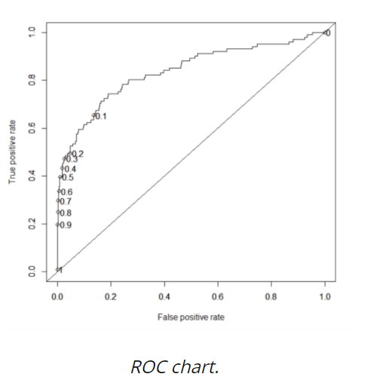
Receiver Operating Characteristic (ROC) curve
ROC is a major visualization technique for presenting the performance of a classification model. It summarizes the trade-off between the true positive rate (tpr) and false positive rate (fpr) for a predictive model using different probability thresholds.

The true positive rate (tpr) is the recall and the false positive rate (FPR) is the probability of a false alarm
A ROC curve plots the true positive rate (tpr) versus the false positive rate (fpr) as a function of the model’s threshold for classifying a positive. Given that c is a constant known as decision threshold, the below ROC curve suggests that by default c=0.5, when c=0.2, both tpr and fpr increase. When c=0.8, both tpr and fpr decrease. In general, tpr and fpr increase as c decrease. In the extreme case when c=1, all cases are predicted as negative; tpr=fpr=0. On the other hand, when c=0, all cases are predicted as positive; tpr=fpr=1.
Assess the performance of the model by the area under the ROC curve (AUC). As a rule of thumb, 0.9–1=excellent; 0.8-.09=good; 0.7–0.8=fair; 0.6–0.7=poor; 0.50–0.6=fail

CF-Info
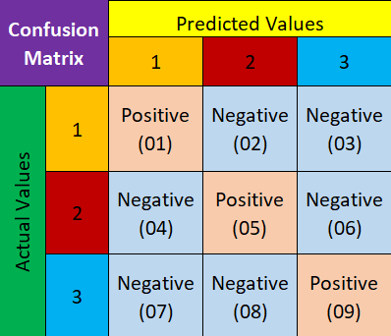
 |  |  |  |  |  | 1 | TP = Positive(01)
 |  |  |  |  |  |  | FP = Nagative(02) + Nagative(03)
 |  |  |  |  |  |  | TN = Positive(05) + Nagative(06) + Nagative(08) + Positive(09)
 |  |  |  |  |  |  | FN = Nagative(04) + Nagative(07)
 |  |  |  |  |  | 2 | TP = Positive(05)
 |  |  |  |  |  |  | FP = Nagative(04) + Nagative(06)
 |  |  |  |  |  |  | TN = Positive(01) + Nagative(03) + Nagative(07) + Positive(09)
 |  |  |  |  |  |  | FN = Nagative(02) + Nagative(08)
 |  |  |  |  |  | 3 | TP = Positive(09)
 |  |  |  |  |  |  | FP = Nagative(07) + Nagative(08)
 |  |  |  |  |  |  | TN = Positive(01) + Nagative(02) + Nagative(04) + Positive(05)
 |  |  |  |  |  |  | FN = Nagative(03) + Nagative(06)

Actual Values | Predicted Values
 | 0 | 1 | 2 | 3
0 | 191 | 0 | 2 | 1 | 0 | TP | 191
1 | 3 | 177 | 3 | 17 |  | FP | 3
2 | 0 | 1 | 194 | 0 |  | TN | 576
3 | 6 | 9 | 6 | 169 |  | FN | 9
 |  |  |  |  | 1 | TP | 177
 |  |  |  |  |  | FP | 23
 |  |  |  |  |  | TN | 569
 |  |  |  |  |  | FN | 10
 |  |  |  |  | 2 | TP | 194
 |  |  |  |  |  | FP | 1
 |  |  |  |  |  | TN | 573
 |  |  |  |  |  | FN | 11
 |  |  |  |  | 3 | TP | 169
 |  |  |  |  |  | FP | 21
 |  |  |  |  |  | TN | 571
 |  |  |  |  |  | FN | 18

